Summary and Charts
Statistics | Charts | Trades | Formula | Settings | Symbols | Monte Carlo

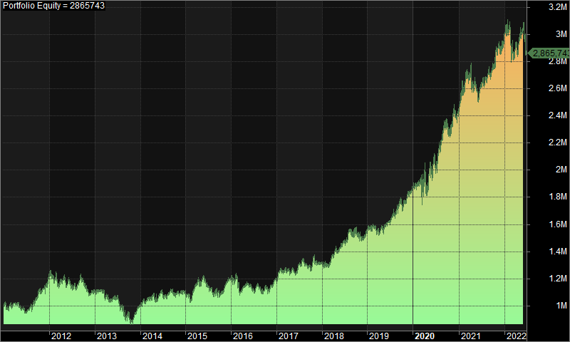
Statistics |  |  |  | 1. Portfolio Equity
 | All trades | Long trades | Short trades
Initial capital | 1000000 | 1000000 | 1000000
Ending capital | 2865743.36 | 1000000 | 2865743.36
Net Profit | 1865743.36 | 0 | 1865743.36
Net Profit % | 186.57% | 0.00% | 186.57%
Exposure % | 3.31% | 0.00% | 3.31%
Net Risk Adjusted Return % | 5643.60% | N/A | 5643.60%
Annual Return % | 9.59% | 0.00% | 9.59%
Risk Adjusted Return % | 290.11% | N/A | 290.11%
Total transaction costs | 1446126.83 | 0 | 1446126.83

All trades | 1770 | 0 (0.00 %) | 1770 (100.00 %)
Avg. Profit/Loss | 1054.09 | N/A | 1054.09
Avg. Profit/Loss % | 4.11% | N/A | 4.11%
Avg. Bars Held | 115.12 | N/A | 115.12

Winners | 798 (45.08 %) | 0 (0.00 %) | 798 (45.08 %)
Total Profit | 11761247.62 | 0 | 11761247.62
Avg. Profit | 14738.41 | N/A | 14738.41
Avg. Profit % | 41.39% | N/A | 41.39%
Avg. Bars Held | 180.54 | N/A | 180.54
Max. Consecutive | 8 | 0 | 8
Largest win | 138176.98 | 0 | 138176.98
# bars in largest win | 272 | 0 | 272
 |  |  |  | 2. Underwater Equity

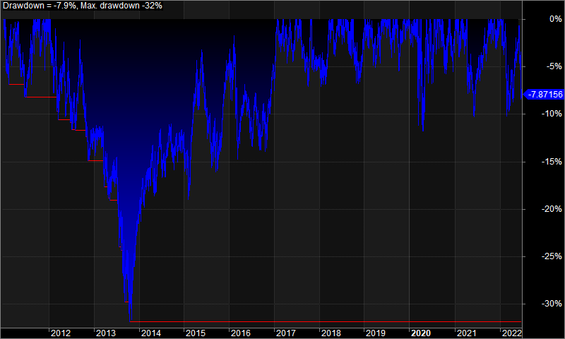
Losers | 972 (54.92 %) | 0 (0.00 %) | 972 (54.92 %)
Total Loss | -9895504.26 | 0 | -9895504.26
Avg. Loss | -10180.56 | N/A | -10180.56
Avg. Loss % | -26.50% | N/A | -26.50%
Avg. Bars Held | 61.41 | N/A | 61.41
Max. Consecutive | 12 | 0 | 12
Largest loss | -124571.05 | 0 | -124571.05
# bars in largest loss | 87 | 0 | 87

Max. trade drawdown | -162214.32 | 0 | -162214.32
Max. trade % drawdown | -98.76 | 0 | -98.76
Max. system drawdown | -402692.36 | 0 | -402692.36
Max. system % drawdown | -31.88% | 0.00% | -31.88%
Recovery Factor | 4.63 | N/A | 4.63
CAR/MaxDD | 0.3 | N/A | 0.3
RAR/MaxDD | 9.1 | N/A | 9.1
Profit Factor | 1.19 | N/A | 1.19
Payoff Ratio | 1.45 | N/A | 1.45
Standard Error | 311877.1 | 0 | 311877.1
Risk-Reward Ratio | 0.49 | N/A | 0.49
Ulcer Index | 9.39 | 0 | 9.39
Ulcer Performance Index | 0.45 | N/A | 0.45
Sharpe Ratio of trades | 1.18 | 0 | 1.18
K-Ratio | 0 | N/A | 0

 |  |  |  | 3. Profit Table

 |  |  |  | Year | Jan | Feb | Mar | Apr | May | Jun | Jul | Aug | Sep | Oct | Nov | Dec | Yr%
 |  |  |  | 2011 | -1.50% | 3.30% | 0.20% | 0.30% | -3.90% | -3.00% | 4.60% | 4.10% | 4.00% | 1.50% | 4.60% | 6.30% | 21.70%
 |  |  |  | 2012 | 0.10% | 0.80% | -4.30% | 2.90% | -3.40% | -2.00% | -1.70% | 5.40% | -0.30% | -5.40% | -2.70% | 1.60% | -9.10%
 |  |  |  | 2013 | 1.00% | -0.20% | -5.20% | -2.70% | 2.30% | 1.50% | -6.30% | -6.70% | -1.10% | -3.60% | 5.40% | 6.00% | -9.80%
 |  |  |  | 2014 | 4.40% | 1.30% | 0.30% | -0.80% | 1.50% | 3.00% | -2.60% | 3.00% | -0.60% | 0.10% | 0.40% | -0.30% | 9.70%
 |  |  |  | 2015 | -1.90% | 0.10% | 7.20% | 0.70% | 4.60% | -5.70% | -1.20% | -4.00% | -1.60% | 2.90% | 5.80% | 3.30% | 9.60%
 |  |  |  | 2016 | -1.20% | -2.40% | -3.70% | 2.60% | 1.20% | -2.70% | 1.50% | -3.10% | 0.20% | -0.20% | 3.20% | 5.00% | 0.00%
 |  |  |  | 2017 | 4.00% | 0.90% | 0.00% | -2.10% | 1.40% | 4.30% | 2.10% | -1.40% | -2.50% | 6.40% | -3.80% | 0.60% | 9.90%
 |  |  |  | 2018 | 0.30% | -1.60% | 5.50% | 2.90% | 1.30% | 2.70% | 4.10% | -1.10% | 3.10% | -4.40% | -0.20% | 4.40% | 17.80%
 |  |  |  | 2019 | 2.50% | -0.90% | -1.10% | 2.00% | -0.40% | 2.40% | 5.00% | 1.10% | 2.60% | 0.40% | 3.00% | 1.30% | 19.40%
 |  |  |  | 2020 | 1.90% | 1.70% | -3.40% | -2.10% | 12.10% | 2.30% | 1.90% | 5.60% | 5.10% | -3.50% | 8.40% | -1.90% | 30.60%
 |  |  |  | 2021 | 6.40% | 3.90% | -0.30% | -1.80% | -1.00% | 1.00% | 0.90% | 3.40% | 0.60% | 5.40% | 0.20% | 1.00% | 21.20%
 |  |  |  | 2022 | 4.50% | -6.70% | 0.40% | 1.60% | 3.90% | -5.50% | N/A | N/A | N/A | N/A | N/A | N/A | -2.40%
 |  |  |  | Avg | 1.70% | 0.00% | -0.40% | 0.30% | 1.60% | -0.10% | 0.80% | 0.60% | 0.90% | 0.00% | 2.20% | 2.50%

